Candidate Profile
Australia

Add Candidate

Personal Information (Sensitive)
Title | Dropdown
First Name
Last Name
Gender | Dropdown
Date of Birth | Calendar
Mobile
Home
Work
Email ID
Address
Address Line 1
Address Line 2
Distance
Suburb/ Town | Dropdown
State/ Region | Dropdown
Post Code | Dropdown
Country | Dropdown
Key City - Nearest
Sub-Regions/ Districts | Dropdown

 | EDIT I SAVE

Professional Info
Profession | Dropdown
Division | Dropdown
Seniority | Dropdown
Specialty | Dropdown
Professional Qualification
Graduation | Dropdown
Country of Primary Degree | Dropdown
Medical School
Practice Licensing Country | Dropdown
Practice Licensing Body | Dropdown
Registration/ License Type | Dropdown
Experience From Home Country | Dropdown
Experience From Residing Country | Dropdown
Recognised Comparable Experience | Dropdown
Current Employment Status | Dropdown
 | EDIT I SAVE
Residential Status & Working Rights
Country of Citizenship | Dropdown
Country of Residence | Dropdown
VISA Type or Subclass | Dropdown
Work Right Status | Dropdown

Log In Credentials | EDIT I SAVE
Profession
Username
Password

Ofifce Administration Use Only

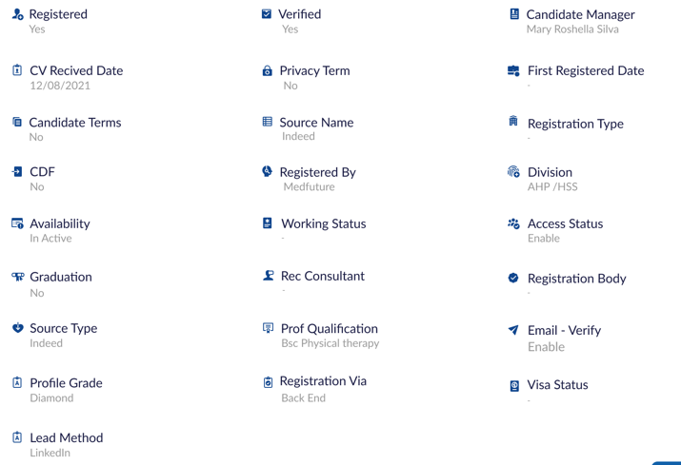
Mandatory Administration Notes
Lead Method | Dropdown
Registerd | Dropdown
Verified | Dropdown
Email Verify | Dropdown
CV Received Date | Calendar
First Registered Date | Calendar
Registration Type | Dropdown
Registerd By | Dropdown
Division | Dropdown
Source Type | Dropdown
Availability | Dropdown
Source Name | Dropdown
Working Status | Dropdown
Access Status | Dropdown
CDF | Dropdown
Graduation | Dropdown
Primary Discussion Date | Calendar
Candidate Manager | Dropdown
Recruitment Consultant | Dropdown
Registration Body | Dropdown
Professional Qualification | Dropdown
Candidate Terms | Dropdown
Privacy Term | Dropdown
Profile Grade | Dropdown
Registration Via | Dropdown
Visa Status | Dropdown
 | EDIT I SAVE

Interview Notes
Title | Dropdown | Auto fill
First Name |  | Auto fill
Last Name |  | Auto fill
Gender | Dropdown | Auto fill
Mobile |  | Auto fill
Profession | Dropdown | Auto fill
Division | Dropdown | Auto fill
Seniority | Dropdown | Auto fill
Specialty | Dropdown | Auto fill
Start Date | Calendar | Auto fill
End Date | Calendar | Auto fill
Distance |  | Auto fill
Job Seeking location | Dropdown

Country | Dropdown | Auto fill
State / Region / County | Dropdown | Auto fill
Post Code |  | Auto fill
Suburb/ Town | Dropdown | Auto fill
Sub-Region/ District | Dropdown | Auto fill
Main City | Dropdown | Auto fill
Distance to Main City

Practise Licence Number
Licence Board
Registration/ License Type | Dropdown | Auto fill
Country of Primary Degree |  | Auto fill
Medical School | Not a Dropdown
Practice Licensing Country | Dropdown | Auto fill
Practice Licensing Body | Dropdown | Auto fill
Experience From Home Country | Dropdown | Auto fill
Experience From Residing Country | Dropdown | Auto fill
Recognised Comparable Experience | Dropdown | Auto fill
Current Employment Status | Dropdown | Auto fill

Engagement Type | Dropdown
Employment Term | Dropdown
Placement Type | Dropdown

Gross Salary Expectation
Hourly Rate Expectation
Billing Share

Country of Citizenship | Dropdown
Country of Residence | Dropdown
VISA Type or Subclass | Dropdown
Work Right Status | Dropdown
VISA Sponsorship | Dropdown

Accommodation | Dropdown
Travel Allowances | Dropdown
Meal Allowances | Dropdown
Uniform Allowances | Dropdown

Competitive Features
Moratorium Restriction | Dropdown
Location Restrictions | Dropdown
Training Program Requirement | Dropdown
Training Program Type
Medical Board Conditions | Drop Down
Medical Board Undertakings | Drop Down

Skills & Interests

Interviewer Notes
Interviewer Complete Notes

Audio or Video File Recording | File Upload

Assigned to
Candidate Manager | Dropdown
Recruitment Consultant | Dropdown
Data Administrator | Dropdown

 | EDIT I SAVE I PRINT I SHARE

